Table 1
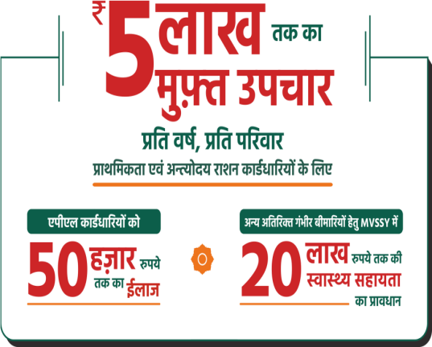
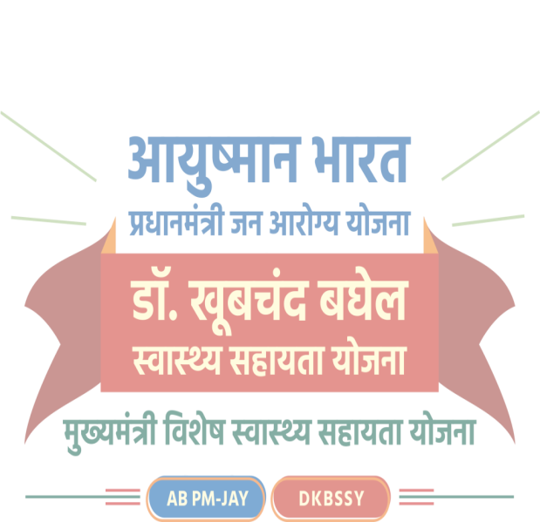
MkW- [kwcpan c?ksy LokLF; lgk;rk ;kstuk

CMHO & CS Review Meeting 20-21/12/2022

Ayushman card BIS status as on 29.11.2022
SN | District Name | Ayushman Cards status |  |  | Families' coverage status
 |  | Ration card holder Population | Count of Ayushman Cards | Coverage percent | Ration card holder families | Count of families covered | Coverage percent
1 | KANKER | 7,32,137 | 5,50,928 | 75.2% | 2,14,649 | 2,14,649 | 100.0%
2 | BALOD | 8,73,139 | 6,48,728 | 74.3% | 2,29,300 | 2,29,300 | 100.0%
3 | DHAMTARI | 8,41,048 | 6,24,384 | 74.2% | 2,38,862 | 2,38,862 | 100.0%

4 | RAJNANDGAON | 9,24,850 | 6,43,474 | 69.6% | 2,49,808 | 2,49,808 | 100.0%
5 | MAHASAMUND | 11,06,387 | 7,30,563 | 66.0% | 3,16,513 | 3,16,513 | 100.0%
6 | MOHLA | 2,89,266 | 1,88,717 | 65.2% | 75,417 | 75,417 | 100.0%
7 | GARIYABAND | 6,35,916 | 4,14,716 | 65.2% | 1,94,767 | 1,82,118 | 93.5%
8 | RAIPUR | 20,85,260 | 13,30,570 | 63.8% | 5,74,610 | 5,46,475 | 95.1%
9 | JASHPUR | 8,92,178 | 5,67,347 | 63.6% | 2,41,095 | 2,41,095 | 100.0%
10 | KHAIRAGARH | 4,03,543 | 2,55,309 | 63.3% | 1,01,823 | 99,632 | 97.8%

11 | SAKTI | 7,19,171 | 4,52,943 | 63.0% | 2,12,704 | 2,01,940 | 94.9%
12 | DURG | 16,47,521 | 10,36,229 | 62.9% | 4,48,837 | 4,17,939 | 93.1%
13 | BALODA BAZAR | 12,28,274 | 7,69,997 | 62.7% | 3,09,581 | 2,98,117 | 96.3%
14 | BEMETARA | 9,08,080 | 5,68,289 | 62.6% | 2,50,620 | 2,21,327 | 88.3%
15 | JANJGIR | 10,70,783 | 6,56,027 | 61.3% | 2,93,336 | 2,81,168 | 95.9%
16 | SARANGARH | 6,51,916 | 3,99,089 | 61.2% | 1,95,077 | 1,72,934 | 88.6%
17 | KORBA | 11,36,877 | 6,91,694 | 60.8% | 3,14,473 | 2,92,972 | 93.2%
18 | BALRAMPUR | 7,59,092 | 4,59,147 | 60.5% | 2,07,100 | 2,00,635 | 96.9%
19 | SURGUJA | 8,90,609 | 5,22,653 | 58.7% | 2,65,455 | 2,37,676 | 89.5%
20 | KONDAGAON | 5,64,842 | 3,27,719 | 58.0% | 1,41,914 | 1,37,369 | 96.8%
21 | SURAJPUR | 7,70,683 | 4,42,186 | 57.4% | 2,25,006 | 2,02,499 | 90.0%

Table 18
vizkjaHk dk;ksZa dh lwph ¼2021 ,oa ckn esa Lohd`r dk;Z½
Ø- | ftyk | vLirky dk uke | xfrfof/k | Lohd`fr fnukad | Lohd`r jkf'k :- | dk;Z fLFkfr
18 | jk;x<+ | ftyk vLirky | ftyk vLirky ds vixzsMs'ku gsrq fuekZ.k dk;Z | 05@07@2022 | 19752000 | vizkjaHk & uohu Hkou dh vko';drk
19 | jktukanxkao | ftyk vLirky jktukanxkao | CyM cSad ds fjukso'ku ,Y;qfefu;e ikfVZ'ku ,oa bysfDVªdy@,;j daMh'kfuax laca/kh dk;Z | 2022-03-31 | 784505 | vizkjaHk&fufonk izfØ;k/khu
20 | jktukanxkao | ftyk vLirky jktukanxkao | vk-s Vh dk ekWM~;wyj vks-Vh- ds :i esa th.kksZ)kj | 2022-03-31 | 6683000 | vizkjaHk
21 | jktukanxkao | lkeq- Lok- dsUnz eksgyk | gej ySc gsrq fpUgkafdr Hkou dk th.kksZ)kj dk;Z | 2022-03-31 | 2515000 | vizkjaHk&fufonk izfØ;k/khu
22 | jktukanxkao | lkeq- Lok- dsUnz Nqfj;k | vks-Vh-dk th.kksZ)kj dk;Z | 2022-03-31 | 1152000 | vizkjaHk&fufonk izfØ;k/khu
23 | jktukanxkao | lkeq- Lok- dsUnz Mksaxjx<+ | gej ySc gsrq fpUgkafdr Hkou dk th.kksZ)kj dk;Z | 2022-03-31 | 2456000 | vizkjaHk&fufonk izfØ;k/khu
24 | jktukanxkao | lkeq- Lok- dsUnz Mksaxjx<+ | vk-s Vh-dk th.kksZ)kj dk;Z | 2022-03-31 | 1084000 | vizkjaHk
25 | jktukanxkao | lkeq- Lok- dsUnz NqbZ[knku | CyM cSad dk fuekZ.k dk;Z | 2022-03-31 | 3074000 | vizkjaHk
26 | ljxqtk | lkeq- Lok- dsUnz mn;iqj | gej ySc ds fuekZ.k dk;Z gsrq | 2022-03-31 | 1718000 | vizkjaHk

27 | ljxqtk | lkeq- Lok- dsUnz mn;iqj | vk-s Vh- esa fjis;j ,oa fjuksos'ku dk;Z gsrq | 2022-03-31 | 1615000 | vizkjaHk
28 | ljxqtk | lkeq- Lok- dsUnz lhrkiqj | gej ySc ds fuekZ.k dk;Z gsrq | 2022-03-31 | 1718000 | vizkjaHk
29 | ljxqtk | lkeq- Lok- dsUnz lhrkiqj | vk-s Vh- esa fjis;j ,oa fjuksos'ku dk;Z gsrq | 2022-03-31 | 2500000 | vizkjaHk
30 | nqxZ | ftyk vLirky | ftyk vLirky gsrq VªkaftV gkWLVy fuekZ.k | 2021-09-15 | 7000000 | vizkjaHk&fufonk izfØ;k/khu
31 | tkatxhj&pkaik | lkeq- Lok- dsUnz vdyrjk | gej yc gsrq ejEer@mUU;u ,oa fo|qr dk;Z gsrq | 2022-03-31 | 1500000 | vizkjaHk
32 | tkatxhj&pkaik | lkeq- Lok- dsUnz vdyrjk | vk-s Vh esa ejEer] mUU;u ,oa ikfVZ'ku dk;Z gsrq | 2022-03-31 | 500000 | vizkjaHk
33 | tkatxhj&pkaik | ekr` ,oa f'k'kq vLirky lDrh | gej ySc ds fuekZ.k dk;Z gsrq | 2022-03-31 | 2500000 | vizkjaHk
34 | ukjk;.kiqj | ftyk vLirky | 10 fcLrj okMZ fuekZ.k dk;Z | 2015-02-23 | 1686000 | vizkjaHk & ykxr esa c<+ksRrjh ds dkj.k
vk;q’eku Hkkjr fMftVy fe”ku

